Sheet1
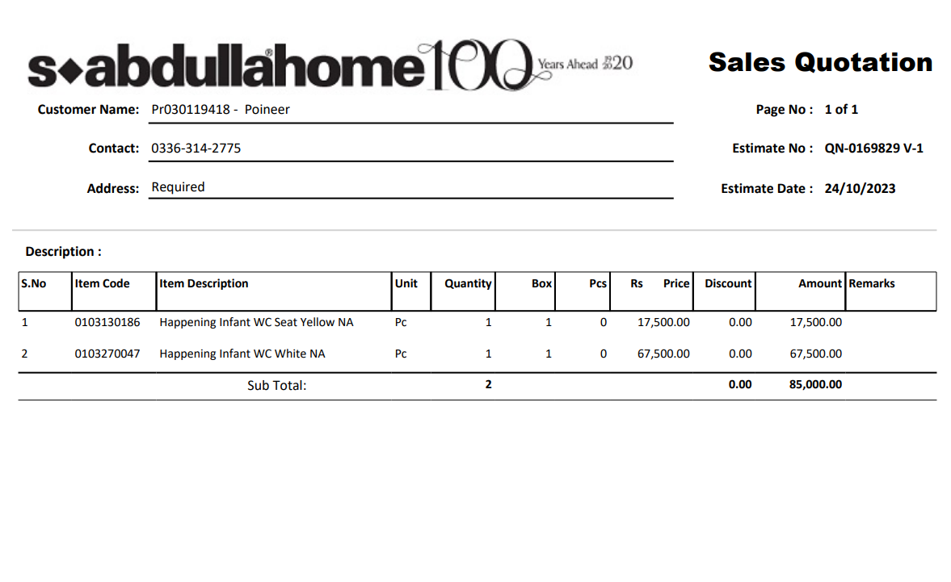


PES/DMC/005/08/24 |  |  |  |  |  |  |  | 2024-08-17

Attn: Mr. Anas Aftab

Variation order for Kids Comode - Dolmen Family Area DMC Karachi

S. # | Description | Material Rate | Labour Rate | Over Head profit 20% | Tax 7.5% | Unit | Qty | Amount
i | Supply and installation of Kids commode | 45,000 | 11,750 | 11,350 | 5,108 | No | 1 | 73,208
ii | Supply and installation of yellow seat cover for Kid commode | 20,563 | 2,938 | 4,700 | 2,115 | No | 1 | 30,315
iii | Supply and installation of hanging material | 5,875 | 5,875 | 2,350 | 1,058 | Job | 1 | 15,158
Total Amount Rs |  |  |  |  |  |  |  | 118,680

Thanking you,

For PIONEER ENGINEERING SERVICES.

Bilal Habib

